DEFINITION
COMMODITY | DEFINITION | EXAMPLE-1 | EXAMPLE-2
BATH ADDITIVE AND OIL | DRY AND LIQUID PRODUCTS THAT ARE ADDED TO THE BATH TO SOFTEN WATER OR ADDFRAGRANCE TO THE SKIN. INCLUDE: FOAMING AND BUBBLE BATH OILS. EXCLUDE: BATHAND SHOWER GELS. | 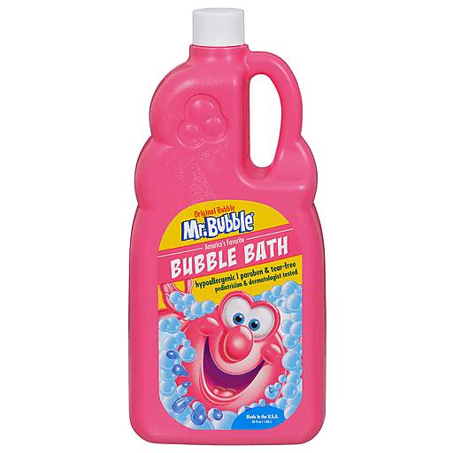 | 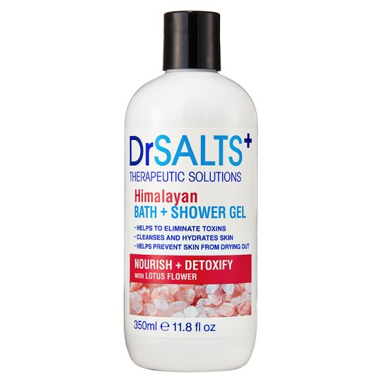
BLEACHING AND TONING PRODUCT | PRODUCTS DESIGNED TO TONE OR BLEACH THE SKIN, TO EVEN OUT DISCOLORATION'SDUE TO AGING OR ALLEVIATE THE BLOTCHING THAT OCCURS TO DARK COMPLEXIONS.INCLUDE: BLEACHES AND LIGHTNERS FOR UNWANTED HAIR. EXCLUDE: DEPILATORIES | 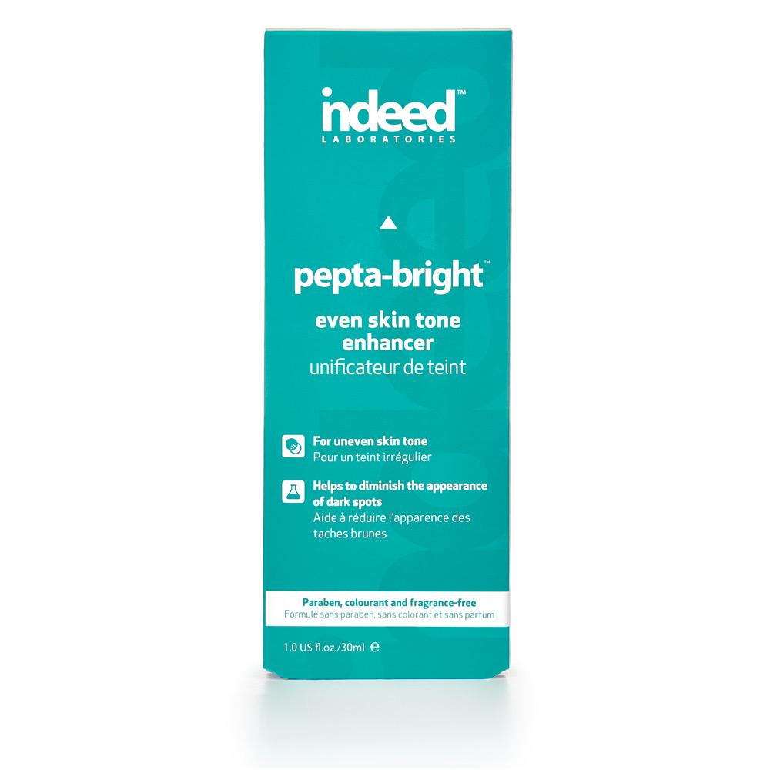 | 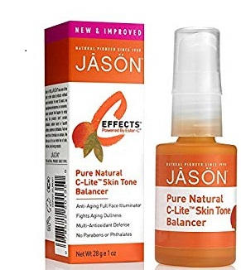
BODY POWDER PRODUCT | PRODUCTS USED AS A DUSTING TO SOFTEN OR HELP DRY WET SKIN. INCLUDE: BATH,BODY AND SHOWER POWDERS, TALCUM AND BABY POWDERS, FEMININE POWDERS.EXCLUDE MEDICATED BODY POWDERS | 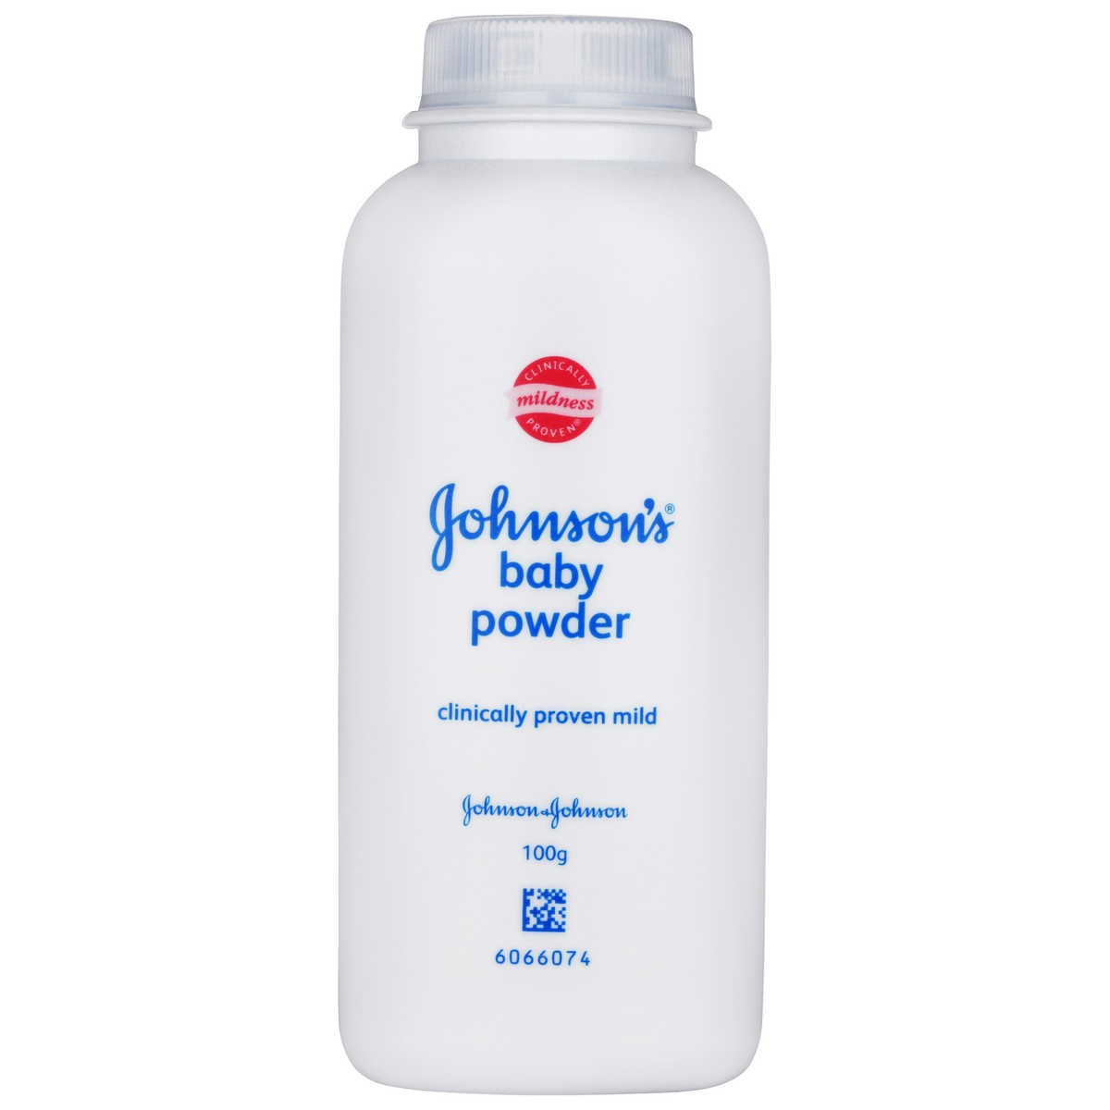 | 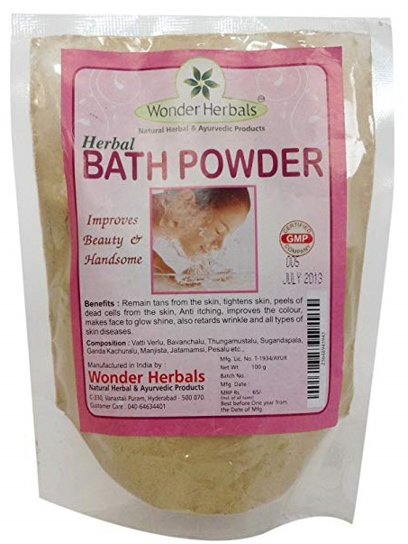
DEPILATORY PRODUCT | PRODUCTS LABELED HAIR REMOVER OR DEPILATORY INTENDED TO REMOVE FACE ANDBODY HAIR. DESIGNED TO WORK BY APPLYING THEN SIMPLY WIPING OFF. EXCLUDE:SKIN CREAM, SKIN BLEACHES. |  | 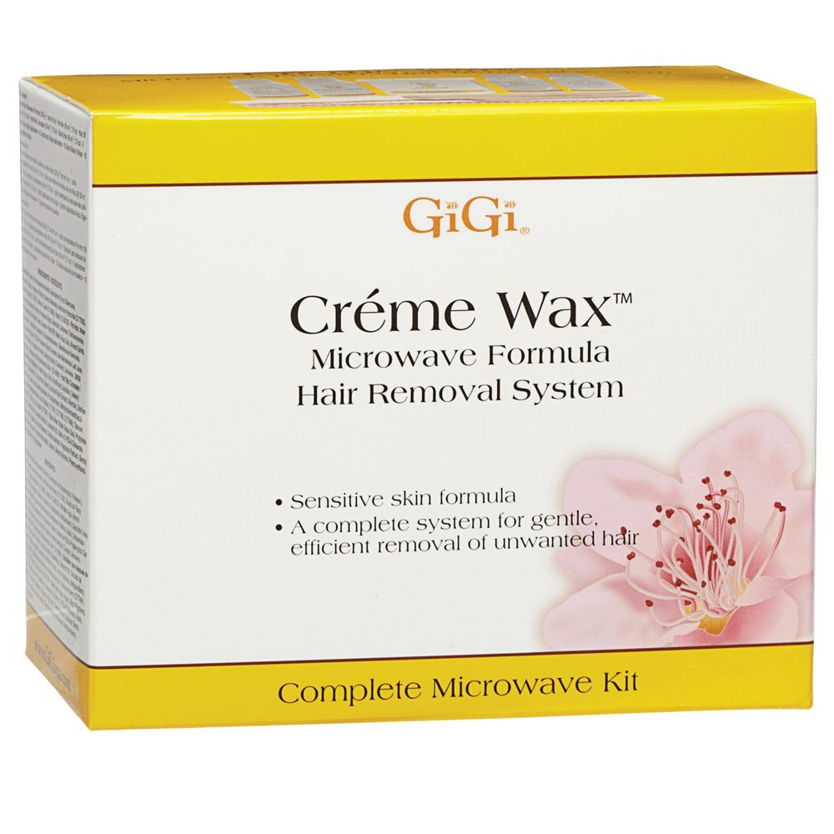
HAND AND BODY LOTION AND OIL | FACE CREAM,LOTION AND OIL,HAND AND BODY LOTION,BODY OIL,HANDCREAM,SPECIALTY CREAM AND ALL PURPOSE CREAM. EXCLUDE: MEDICATEDSALVES,OINTMENTS,SKIN BLEACHES AND TONING CREAMS,PURE GLYCERIN, ACNEPRODUCTS,PHISODERM AND DERMATOLOGICAL PRODUCTS. |  | 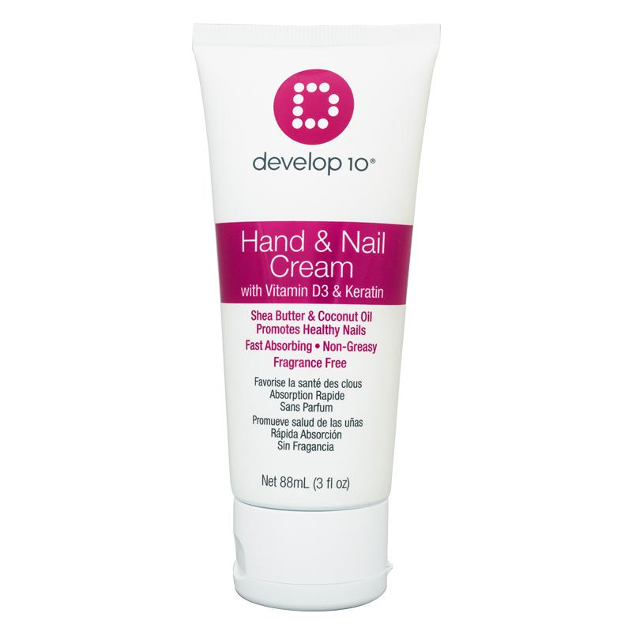
PERSONAL CLEANSER BAR AND NOVELTY SOAP | INCLUDE ALL CLEANSER IN A BAR FORM, ALSO INCLUDE ALL NOVELTY/GIFT SOAPS INVARIOUS SHAPES. EXCLUDE: GEL, FOAMS, CREAM AND LIQUID CLEANSERS, EXCLUDEACNE REMEDIES AND COSMETIC REMOVERS | 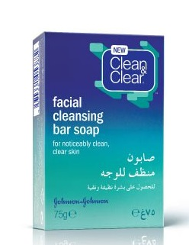 | 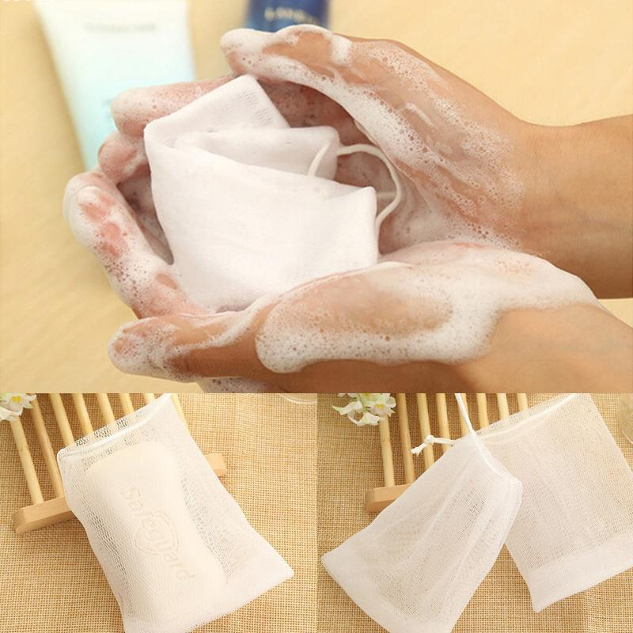
PERSONAL CLEANSER OTHER THAN BAR | ALL FORMS OF BODY AND FACIAL CLEANSERS OTHER THAN BAR USED FOR PERSONALUSE. INCLUDE: SHOWER GELS, BODY SHAMPOO, SCRUBS, MASKS ETC. EXCLUDE:BAR CLEANSERS, COSMETIC REMOVERS, ACNE REMEDIES AND ALL WIPE TYPEPREMOISTENED PRODUCTS. | 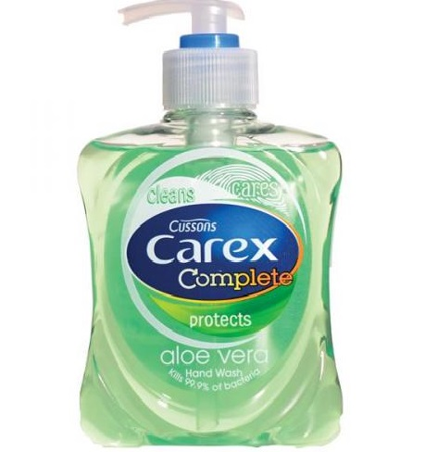 | 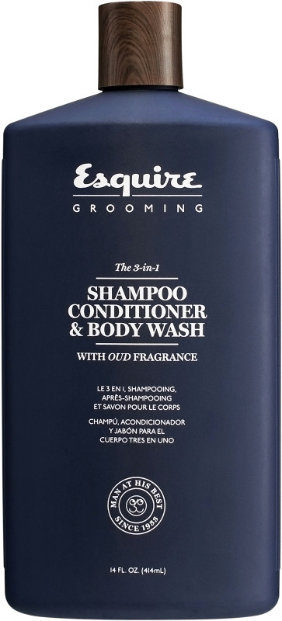
PETROLEUM JELLY PRODUCT | PRODUCTS SPECIFICALLY LABELED PETROLEUM JELLY. EXCLUDE: HAIR DRESSING GELS,HAIR DRESSING POMADES AND SEX LUBRICANTS. | 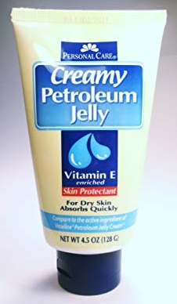 | 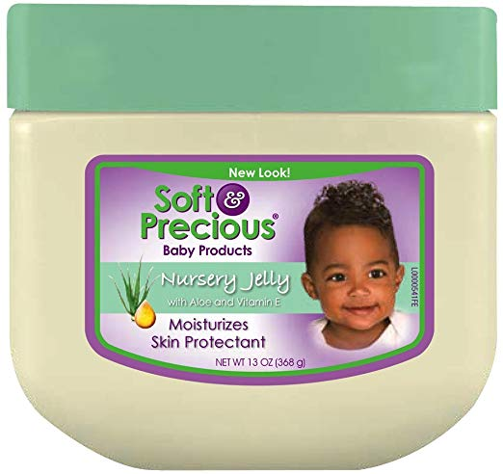
RAZOR BLADES | BLADES WHICH CAN BE INSERTED AND REMOVED FROM A RAZOR AFTER USE. EXCLUDE:RAZORS AND DISPOSABLE RAZORS AND SHAVING CREAM. | 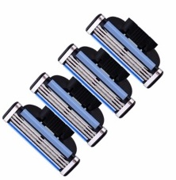 | 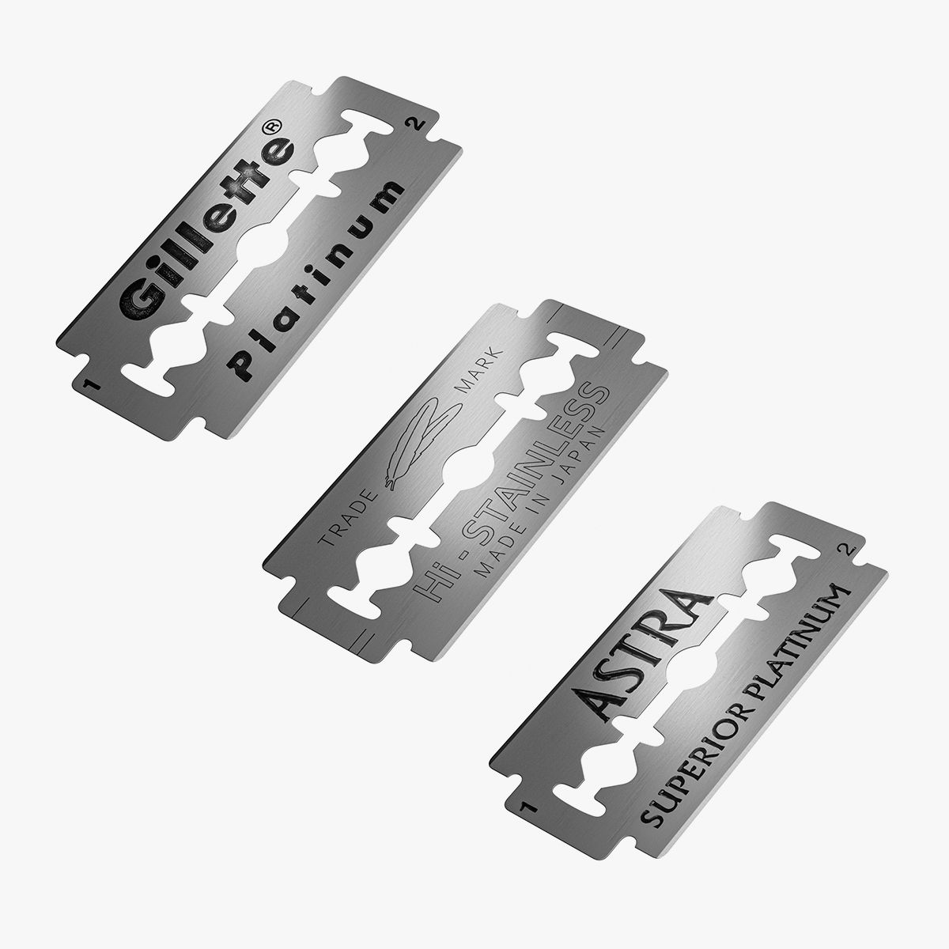 | 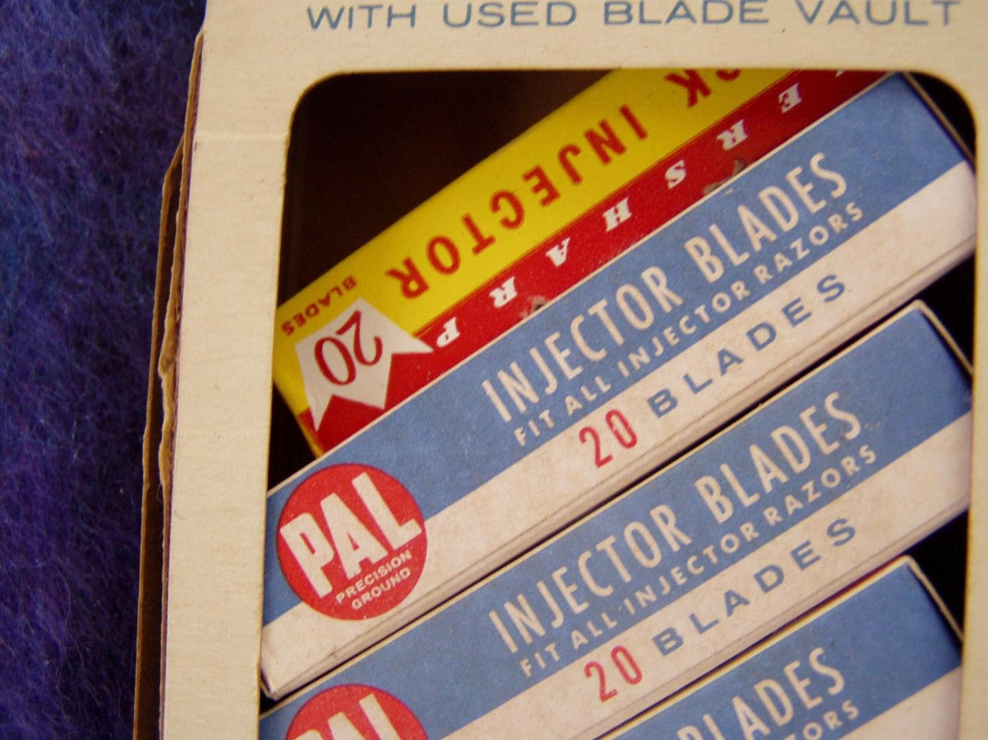
RAZORS | DISPOSABLE AND NONDISPOSABLE RAZORS USED FOR REMOVING HAIR FROM THE FACEAND BODY. EXCLUDE: DISPOSABLE RAZOR BLADES,SHAVING CREAMS AND DEPILATORIES. | 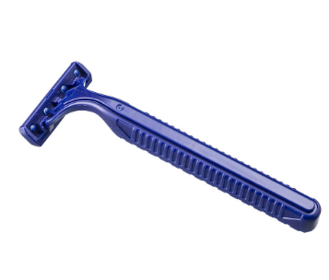 | 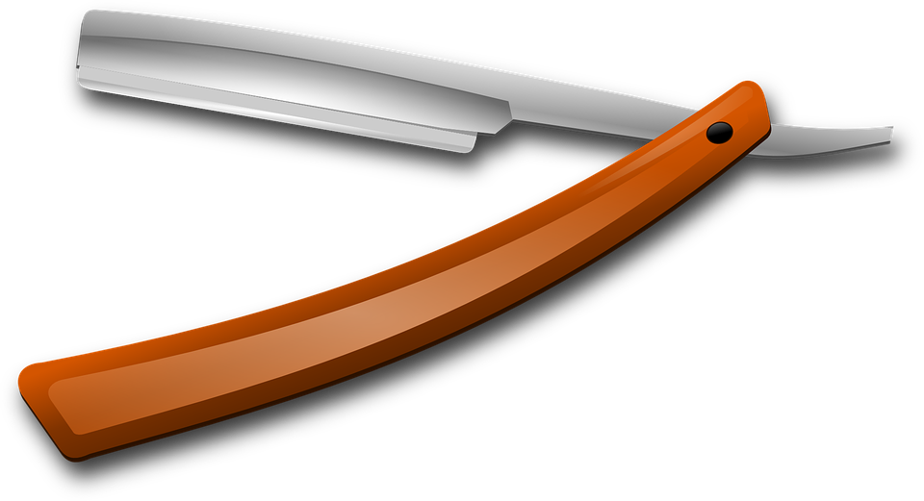 | 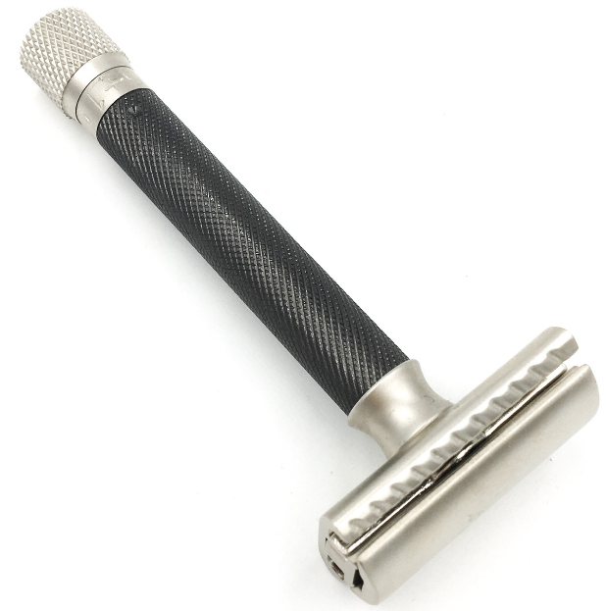
SHAVING CREAM AND AFTER SHAVE | PRODUCTS FOR MEN OR WOMEN TO BE USED BEFORE, DURING OR AFTER SHAVING.INCLUDE: PRESHAVE LIQUIDS AND LOTIONS, SHAVING CREAMS, AFTER SHAVE LIQUIDAND LOTIONS. EXCLUDE: ANTISEPTICS(I.E. WITCH HAZEL), DEPILATORIES, WAX HAIRREMOVERS. BEARD REMOVER - If the product stated razor less shave cream (this product is like waxing product for eg: VEET) should be code in DEPILATORY cg so no need to do this kind of products in SHAVING CREAM AND AFTER SHAVE. Even for facial hair removing have to see the direction or usage part which they have mentioned. | 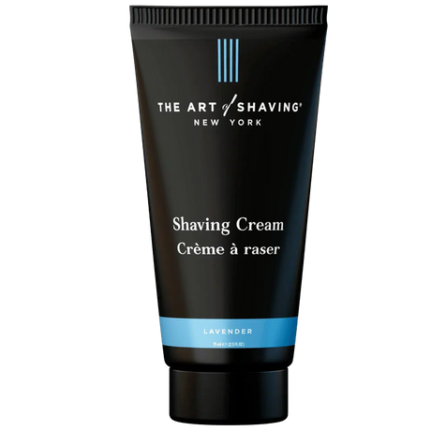 | 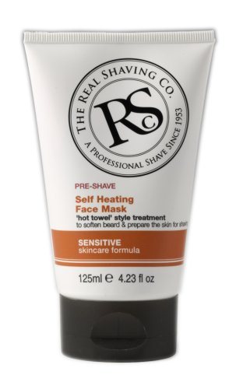 | 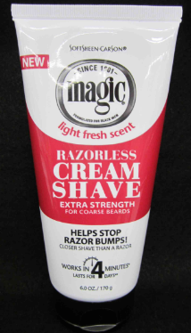
SUNTAN AND AFTER TAN PREPARATION | PRODUCTS DIRECTLY RELATED TO TANNING OF THE SKIN. INCLUDE TANACCELERATORS, AFTERTAN CONDITIONERS AND LOTIONS AND ALL PRODUCTS DESIGNEDTO BLOCK THE SUN OR PROTECT THE SKIN FROM THE EFFECTS OF ULTRAVIOLET LIGHT.EXCLUDE SUNBURN PAIN TREATMENTS | 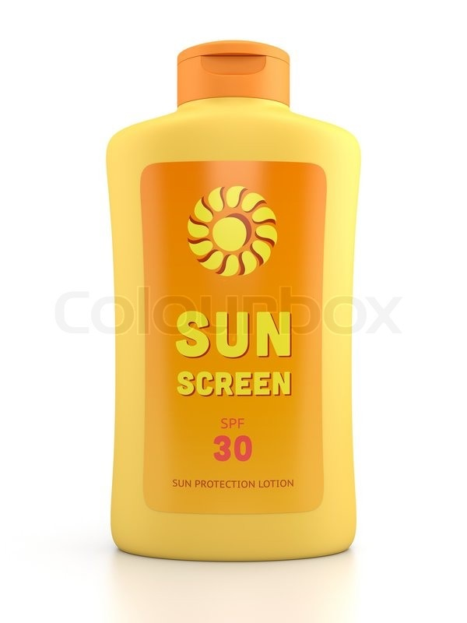 | 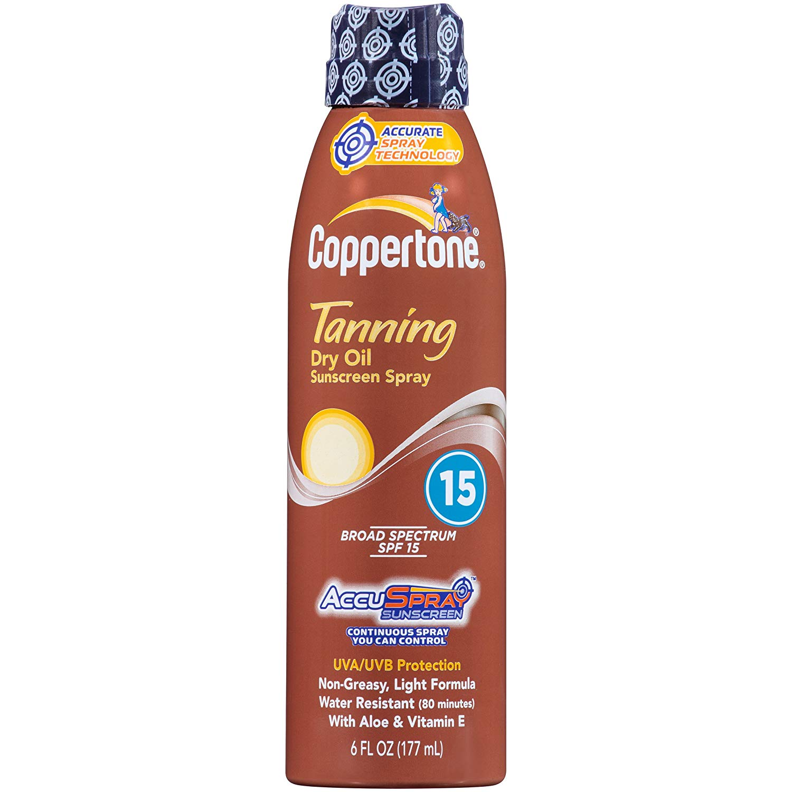
SHAVING ACCESSORY (BASE) | TOOLS OR ACCESSORIES USED DURING THE SHAVING PROCESS. INCLUDE: SHAVINGMUGS, SHAVING BRUSHES, SHAVING MIRROR, AND STYPTIC PENCIL,ETC. EXCLUDE:SHAVING CREAMS,BLADES,RAZORS AND APPLIANCES REQUIRING THE USE OFELECTRICITY OR BATTERIES. | 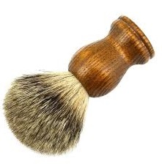 | 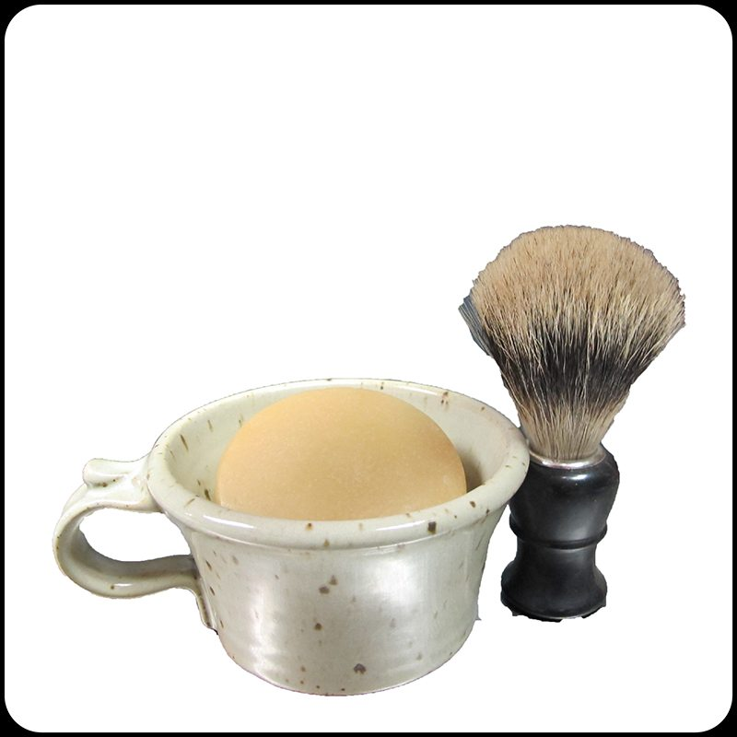 | 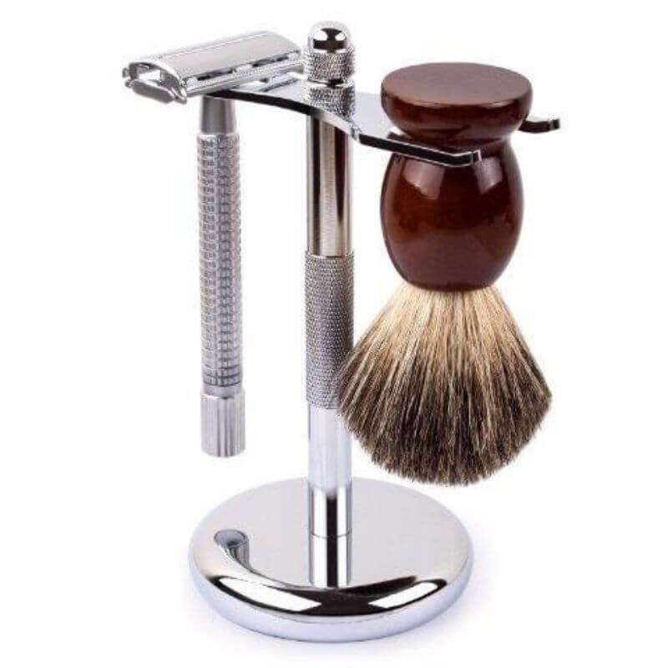

GENERAL UPDATES
IMAGE | ANSWER
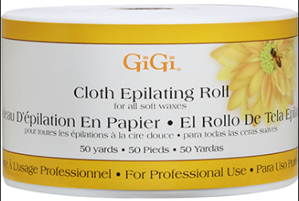 | Need to code it in DEPILATORY PRODUCT CCN as DEPILATORY. Please refer this GIC - 509983689
 | Need to code it in HAND AND BODY LOTION AND OIL with the ccn of HAND AND BODY AND SKIN PRODUCT
 | Need to code it in HAND AND BODY LOTION AND OIL with the ccn of FIRMING AND LIFTING SERUM
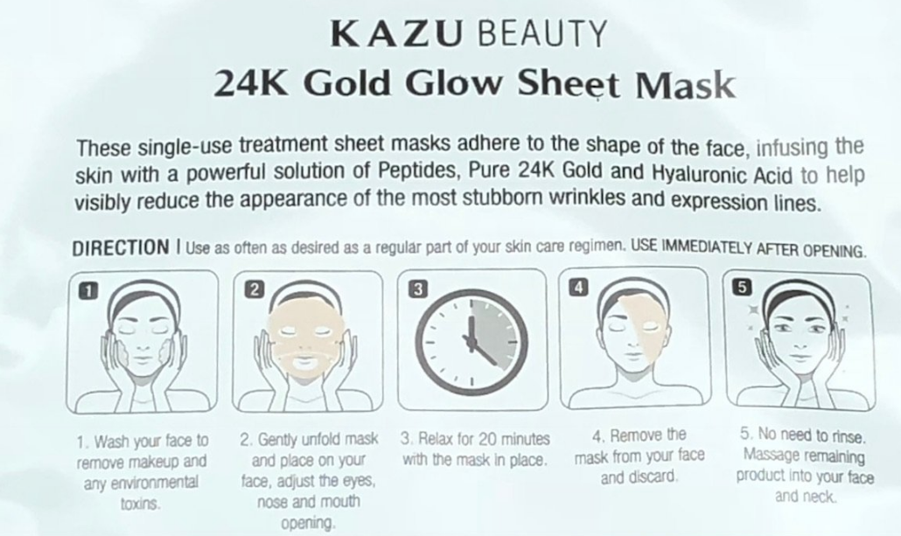 | This is a mask product but need to code it in HAND AND BODY LOTION AND OIL with the ccn of Facial mask. Because they have mentioned in the direction, No need to rinse. massage remaining product.
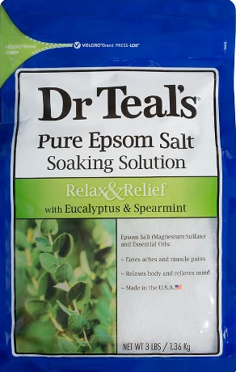 | Bath salts are comes under BATH ADDITIVE AND OIL but this kind of salts should be code in EPSOM SALTS cg.
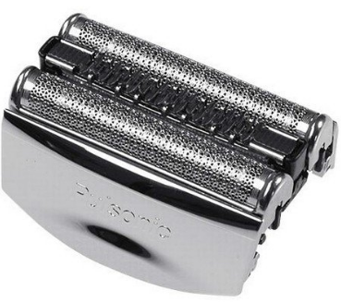 | These kind of replacement heads should be code in RAZOR TRIMMER APPLIANCE AND ACCESSORY
 | If sport is mentioned in label then sport also belongs in your ccn. eg: SPORT TANNING PRODUCT
 | If the mask is used to apply directly to the face and peel off (sheet mask) for that Count should be captured in the product size and if weight is given as fluid ounce it should be capture in SECONDARY SIZE
 | #US LOC COLOR -Color is observable, If u can able to see the beads inside color should be multiple color
 | Predominantly mentioned Shaving powder don't code in SHAVING CREAM AND AFTER SHAVE cg with the ccn of SHAVING SOAP because in the back lable it have contain DO NOT USE THIS PRODUCT WITH A RAZOR so need to code it in DEPILATORY PRODUCT cg with the CCN of DEPILATORY. refer this GIC - 25514897 | 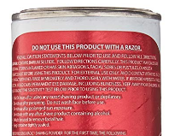
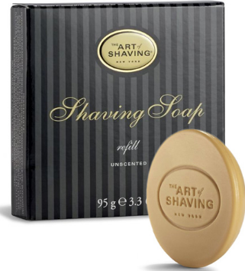 | Do not code it in PERSONAL CLEANSER BAR AND NOVELTY SOAP because of bar form. This soap is belongs to SHAVING CREAM AND AFTER SHAVE. use SHAVING SOAP as CCN If refill is mentioned use SHAVING SOAP REFILL.

 | Multipurpose/not stated essential oil - placement Deodorizer
 | Essential oils diluted with other product and used on skin - placement skin care

